1
Photo | Description | Brand | EAN | Quantity | Pieces MOQ | Pallet Quantity | Take-all Price
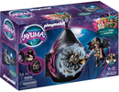 | Playmobil 70825 - Ayuma Shelter Of The Bat Fairies | PLAYMOBIL | 4008789708250 | 1758 | 320 | 320 (EP) | € 5.75
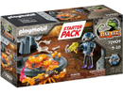 | Playmobil 70909 - Dino Rise Starterpack | PLAYMOBIL | 4008789709097 | 1838 | 480 | 480 (EP) | € 4.95
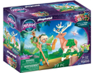 | Playmobil 70806 - Ayuma Forest Fairy | PLAYMOBIL | 4008789708069 | 2184 | 720 | 720 (EP) | € 4.99
 |  |  |  | 5780

